Sheet1
Project 1 | API Testing
By : | Dittha Ratanasari

Alta Shop API
API Documentation for Alta Shop API.
No | Test Scenario | Features | Request Method | Request URL | Body | Response | Status
1 | Products | 1. Get all products. | GET | https://altashop-api.fly.dev/api/products |  | 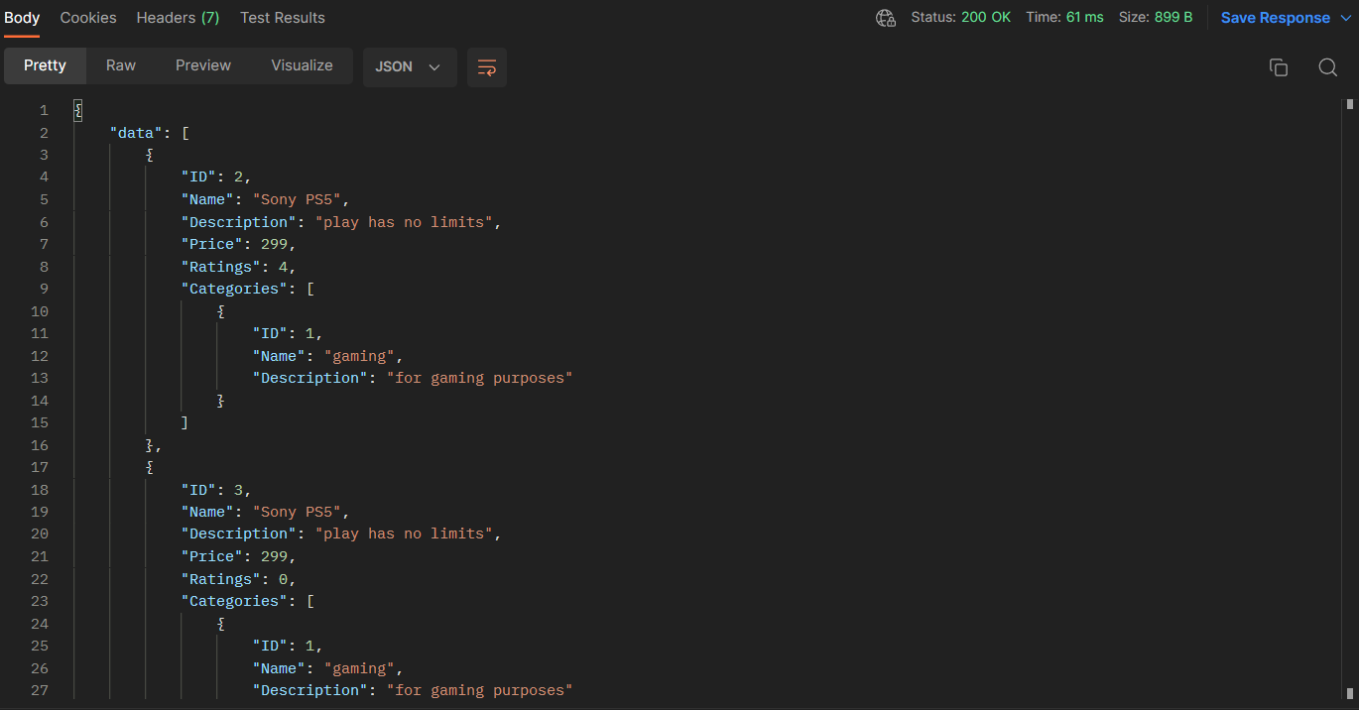 | 200 OK
 |  | 2. Get product by ID. | GET | https://altashop-api.fly.dev/api/products/2 |  |  | 200 OK
 |  | 3. Create a new product. | POST | https://altashop-api.fly.dev/api/products | { "name":"Nitendo Switch", "description":"play switch", "price":399, "categories":[ 1 ] } |  | 200 OK
 |  | 4. Delete a product. | DELETE | https://altashop-api.fly.dev/api/products/2 |  |  | 200 OK
 |  | 5. Get product ratings. | GET | https://altashop-api.fly.dev/api/products/2/ratings |  |  | 200 OK
 |  | 6. Assign a rating for product. | POST | https://altashop-api.fly.dev/api/products/4/ratings | { "count":4 } |  | 200 OK
 |  | 7. Get product comments. | GET | https://altashop-api.fly.dev/api/products/1/comments |  |  | 200 OK
 |  | 8. Create a comment for product. | POST | https://altashop-api.fly.dev/api/products/1/comments | { "content":"the games are great including Gran Turismo 7 but sadly GT4 is much better" } |  | 200 OK

2 | Product Categories | 1. Create a new product category. | POST | https://altashop-api.fly.dev/api/categories | { "name":"gaming", "description":"for gaming purposes" } |  | 200 OK
 |  | 2. Get category by ID. | GET | https://altashop-api.fly.dev/api/categories/1 |  |  | 200 OK
 |  | 3. Get all categories. | GET | https://altashop-api.fly.dev/api/categories |  |  | 200 OK

3 | Authentication | 1. Register. | POST | https://altashop-api.fly.dev/api/auth/register | { "email":"lala@mail.com", "password":"123123", "fullname":"lala lili" } |  | 200 OK
 |  | 2. Login. | POST | https://altashop-api.fly.dev/api/auth/login | { "email":"lala@mail.com", "password":"123123" } |  | 200 OK
 |  | 3. User info. | GET | https://altashop-api.fly.dev/api/auth/info |  |  | 200 OK

4 | Hello | 1. Say hello | GET | https://altashop-api.fly.dev/api/hello |  |  | 200 OK

5 | Orders | 1. Create a new order. | POST | https://altashop-api.fly.dev/api/orders | [ { "product_id":6, "quantity":1 } ] | 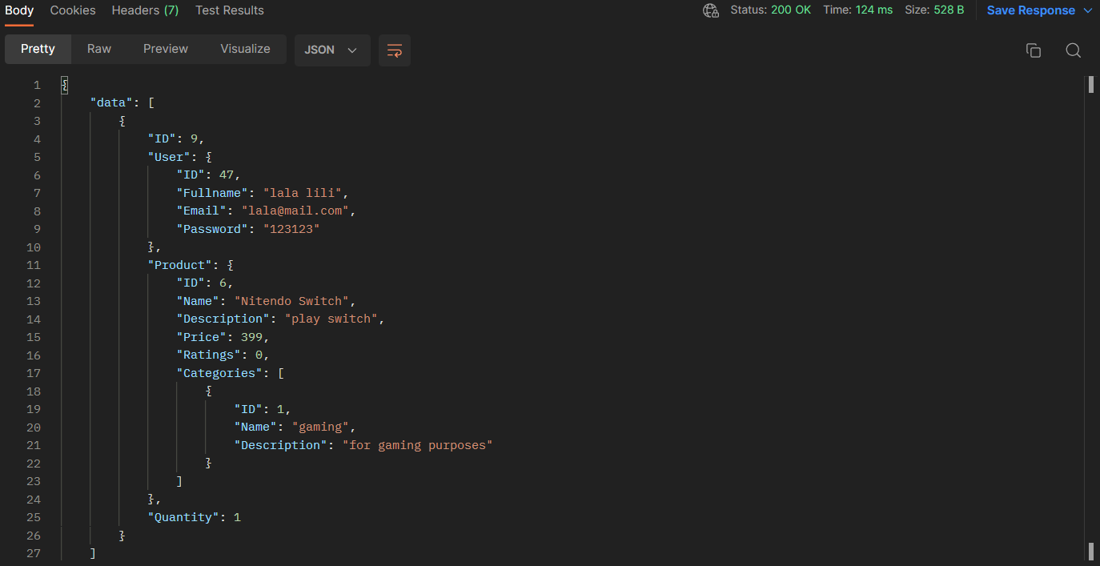 | 200 OK
 |  | 2. Get all orders. | GET | https://altashop-api.fly.dev/api/orders |  |  | 200 OK
 |  | 3. Get order by ID. | GET | https://altashop-api.fly.dev/api/orders/9 |  | 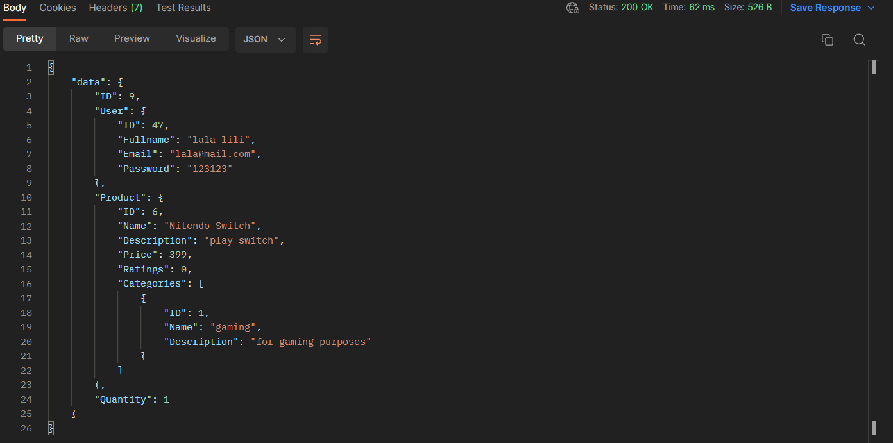 | 200 OK

